Subchannels
Total
 | Total_Spend | Total_Impressions | Total_Clicks | CTR | CPC | CPA | CPM
Brand | $667,553.26 | 297,702 | 69,886 | 23.48% | $9.55 |  | $2,242.35
Competitor | $260,262.89 | 93,915 | 10,451 | 11.13% | $24.90 |  | $2,771.26
Generic | $1,011,183.53 | 384,961 | 43,727 | 11.36% | $23.12 |  | $2,626.72
campaign_platform | Google Ads

Row Labels | Total_Spend | Total_Impressions | Total_Clicks | CTR | CPC | CPA | CPM
Brand | $667,553.26 | 297,702 | 69,886 | 23.48% | $9.55 |  | $2,242.35
Competitor | $260,262.89 | 93,915 | 10,451 | 11.13% | $24.90 |  | $2,771.26
Generic | $1,011,183.53 | 384,961 | 43,727 | 11.36% | $23.12 |  | $2,626.72
Grand Total | $1,938,999.68 | 776,578 | 124,064 | 15.98% | $15.63 |  | $2,496.85

Total Spend
 | Total_Spend | Total_Impressions | Total_Clicks | CTR | CPC | CPA | CPM
Carousal | $51,207.73 | 410,173 | 5,519 | 1.35% | $9.28 | $13.41 | $124.84
Image | $512,907.78 | 3,660,439 | 72,050 | 1.97% | $7.12 | $16.27 | $140.12

campaign_platform | Facebook Ads

Row Labels | Total_Spend | Total_Impressions | Total_Clicks | CTR | CPC | CPA | CPM
Facebook Ads
Carousal | $51,207.73 | 410,173 | 5,519 | 1.35% | $9.28 | $13.41 | $124.84
Image | $512,907.78 | 3,660,439 | 72,050 | 1.97% | $7.12 | $16.27 | $140.12
Grand Total | $564,115.51 | 4,070,612 | 77,569 | 1.91% | $7.27 | $15.96 | $138.58

Total Spends per Platform and Subchannel
 | Total
Facebook Ads | $564,115.51
Brand | $667,553.26
Competitor | $260,262.89
Generic | $1,011,183.53

Row Labels | Total_Spend
Facebook Ads
Facebook Ads | $564,115.51
Google Ads
Brand | $667,553.26
Competitor | $260,262.89
Generic | $1,011,183.53
Grand Total | $2,503,115.19

Spends-vs-Clicks
 | Total_Spend | Total_Clicks
Oct | $16,017.78 | 608
Nov | $112,818.44 | 7,680
Dec | $618,353.14 | 33,318
Jan | $648,650.10 | 44,567
Feb | $630,323.36 | 60,705
Mar | $430,148.45 | 44,407
Apr | $14,922.52 | 2,240
May | $14,571.59 | 2,714
Jun | $14,286.49 | 4,307
Jul | $3,023.32 | 1,087

Row Labels | Total_Spend | Total_Clicks
2019
Oct | $16,017.78 | 608
Nov | $112,818.44 | 7,680
Dec | $618,353.14 | 33,318
2020
Jan | $648,650.10 | 44,567
Feb | $630,323.36 | 60,705
Mar | $430,148.45 | 44,407
Apr | $14,922.52 | 2,240
May | $14,571.59 | 2,714
Jun | $14,286.49 | 4,307
Jul | $3,023.32 | 1,087
Grand Total | $2,503,115.19 | 201,633

Platform-CampaneType
Total Spens , Impressions and Clicks For each Platform
Row Labels | Total Spends | Total Impressions | Total Clicks
Facebook Ads | $564,115.51 | 4,070,612 | 77,569
Google Ads | $1,938,999.68 | 776,578 | 124,064
Grand Total | $2,503,115.19 | 4,847,190 | 201,633

SpendsByAge-Device
Total Spends By Age with Device Type

Total_Spend | Column Labels
Row Labels | Desktop | Mobile | Tablet | Grand Total
18-24 | $78,002.72 | $379,215.54 | $2,601.31 | $459,819.57
25-34 | $214,933.89 | $474,574.77 | $1,911.43 | $691,420.09
35-44 | $108,303.05 | $148,640.09 | $872.83 | $257,815.97
45-54 | $31,376.06 | $36,695.05 | $434.32 | $68,505.43
55-64 | $8,980.31 | $10,993.36 | $236.44 | $20,210.11
65 or more | $8,659.00 | $17,413.26 | $153.62 | $26,225.88
Undetermined | $137,631.89 | $276,089.00 | $1,281.74 | $415,002.63
Grand Total | $587,886.92 | $1,343,621.07 | $7,491.69 | $1,938,999.68

DashBoard
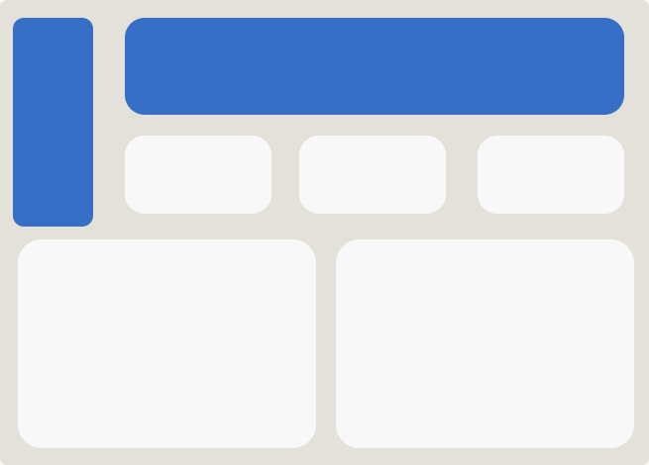
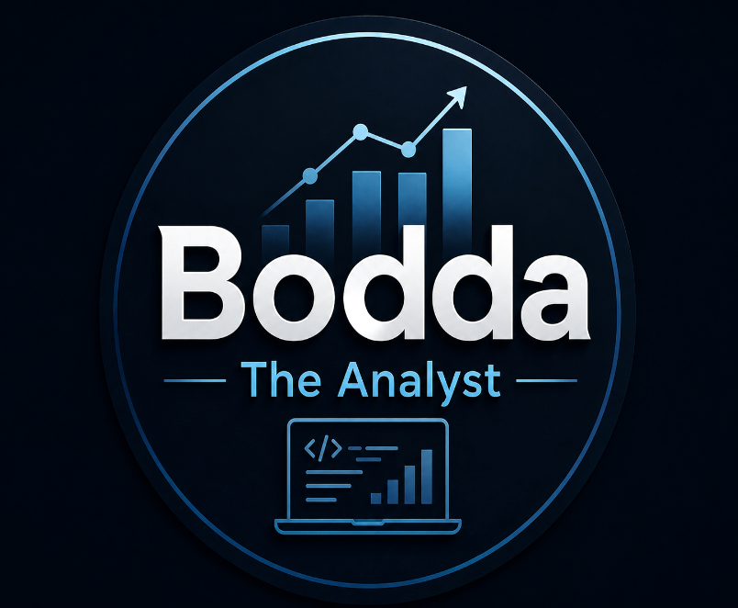

Google Ads
Facebook Ads

Campaign Performance:
Marketing Campaign DashBoard

CPC
$12.41

CTR
4.16%

Total Spends
$2,503,115.19
Total Impressions
4,847,190
Total Clicks
201,633
CPM
$516.41

CPA
$70.81

Total Spends per Platform and Subchannel
 | Total
Facebook Ads | $564,115.51
Brand | $667,553.26
Competitor | $260,262.89
Generic | $1,011,183.53
Total Spends vs Total Clicks during the Campaign Date
 | Total_Spend | Total_Clicks
Oct | $16,017.78 | 608
Nov | $112,818.44 | 7,680
Dec | $618,353.14 | 33,318
Jan | $648,650.10 | 44,567
Feb | $630,323.36 | 60,705
Mar | $430,148.45 | 44,407
Apr | $14,922.52 | 2,240
May | $14,571.59 | 2,714
Jun | $14,286.49 | 4,307
Jul | $3,023.32 | 1,087

Total Spends By Age with Device Type
 | Desktop | Mobile | Tablet
18-24 | $78,002.72 | $379,215.54 | $2,601.31
25-34 | $214,933.89 | $474,574.77 | $1,911.43
35-44 | $108,303.05 | $148,640.09 | $872.83
45-54 | $31,376.06 | $36,695.05 | $434.32
55-64 | $8,980.31 | $10,993.36 | $236.44
65 or more | $8,659.00 | $17,413.26 | $153.62
Undetermined | $137,631.89 | $276,089.00 | $1,281.74
Total Spends , Impressions and Clicks For each Platform
 | Total Spends | Total Impressions | Total Clicks
Facebook Ads | $564,115.51 | 4,070,612 | 77,569
Google Ads | $1,938,999.68 | 776,578 | 124,064

